Example - Lesson Mapping
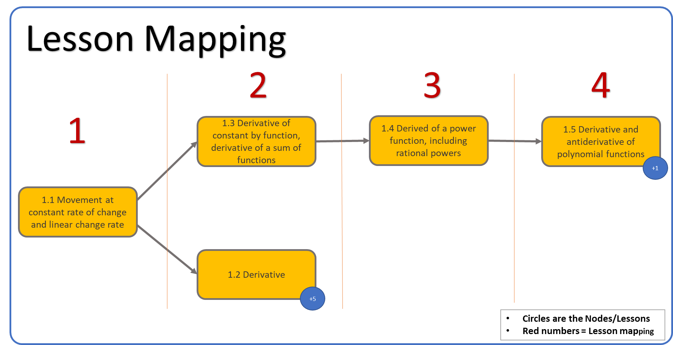
Lesson Mapping | Node/Lesson Activity
1 | 1.1 Movement at constant rate of change and linear change rate
2 | 1.2 Derivative
2 | 1.3 Derivative of constant by function, derivative of a sum of functions
3 | 1.4 Derived of a power function, including rational powers
4 | 1.5 Derivative and antiderivative of polynomial functions

Note: | The +5 circle attached to the 1.2 Derivative node indicates a connected learning map.
 | The +1 cirlce attached to the 1.2 Derivative and antiderivated node
 | indicates a connected learning map.

